Sheet1
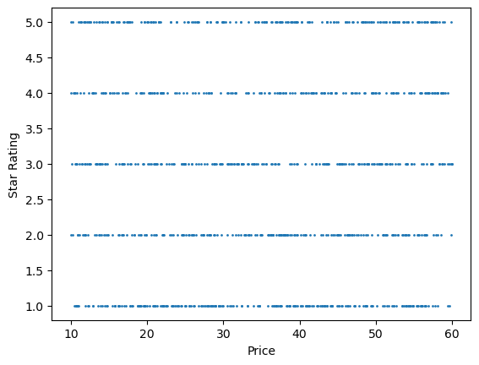
 | Price
count | 1000
mean | 35.07035
std | 14.44668967
min | 10
25% | 22.1075
50% | 35.98
75% | 47.4575
max | 59.99

